SUMMARY
PROGRESS VIEWER |  |  | 2025

Habits |  |  |  |  |  |  | Out of Rat Race Plan | Status | Passive Incomes | Status
Mindset/Habitss (Daily) | 71% | 71% |  | I'm creating a useful website. The one that can help anyone |  |  | Freelance | on track | Vendo Machine | under studies
FOCUS | 80% | 80% | must be 98+ | follow their task and monitor it wheter its things todo's, budgeting, |  |  | Online Business | not yet | Online Banking | under studies
Exercise(Jan) | 35% | 0% | Finished 10 books | habits, projects or anything we need to track and check. |  |  | Assymetrical Bet | not yet | Outsourcing | under studies
Reading (per Book) | 35% | 35% |  | That'll give me a freelance work from home job by 2025. |  |  | Business/Selling | not yet | Crowd Funding | under studies
Deliberate Prct(Jan) | 84.95% | 85% |  | Because most people forgot their daily activities, expense lists, |  |  | Youtube Content | not yet | Online Memebership Sites | under studies
Client (Jan) | 87.10% | 87% |  | habits that might be bad or good for them and other tasks |  |  | Passive Income | not yet | Android apps | under studies
 |  |  |  | that are needed to be fullfilled, monitored and measure.
Skills |  |  |  | For me its it very important to be able to monitor these, for example
HTML | 90% | 90% |  | expenses, you can budget properly and will really help your is your |  |  |  | In the context of a meaningful life, the yin yang can be seen as a symbol of
CSS | 0.9 | 90% |  | financial goals. And it will establish me as an full-stack developer. |  |  |  | balance and harmony. It suggests that a meaningful life involves embracing and
Javascript | 0.7 | 70% |  |  |  |  |  | integrating opposing forces, such as joy and sorrow, success and failure, activity
Yelp Camp | 35% | 35% |  |  |  |  |  | and rest. It encourages individuals to seek harmony and equilibrium in their lives,
Node Js | 70% | 70% |  |  |  |  |  | recognizing that both positive and negative experiences are essential for growth
Figma | 50% | 50% |  |  |  |  |  | and wholeness. By acknowledging and balancing these dualities, individuals can
Monggo DB | 65% | 65% |  |  |  |  |  | strive for a more meaningful and fulfilling existence. -Taoism Yin Yhang
Wordpress | 20% | 20%
React JS |  | 0% |  |  | Savings for --> | Amount |  | Bamboo can barely be seen for the first five years as it builds
Express JS | 75% | 75% |  |  | Own New House | ₱0.00 |  | extensive root systems underground before exploding ninety
 |  |  |  |  | Insurances of children | ₱0.00 |  | feet into the air within six weeks.
Freelance |  |  |  |  | Vehicle | ₱0.00
Web Dev Cert. | 100.00% | 100% |  |  | Equipment for robotics | ₱0.00 |  | SIX LAWS OF MATURITY:
Practice | 100.00% | 100% |  |  | Workshop | ₱0.00 |  | 1. Stop Telling People Everything
Portfolio | 0.75 | 75% |  |  | Passive Income | ₱0.00 |  | Most people don't care, and some secretly want you to fail.
Client |  | 0% |  |  | 2nd Savings | ₱0.00 |  | 2. Choose Your Friends Wisely
 |  |  |  |  |  |  |  | The fastest way to become better is to surround yourself with better people.
Income |  |  |  |  | Income from side hustle | Pesos |  | 3. Expect Nothing, Appreciate Everything
Work | 50.00% | 50% |  |  | web developer | ₱0.00 |  | Be grateful for the little things in your life to find inner peace.
Web Dev |  | 0% |  |  | designing | ₱0.00 |  | 4. Do Your Best And Trust The Process
Freelance |  | 0% |  |  | video | ₱0.00 |  | The harder you work, the luckier you will get.
Selling |  | 0% |  |  | business | ₱0.00 |  | 5. Control Yourself, Not Others
Online Selling |  | 0% |  |  | applications | ₱0.00 |  | Controlling others is strength. Controlling yourself is true power.
Video Content |  | 0% |  |  |  |  |  | 6. Learn To React Less
Applications |  | 0% |  |  |  |  |  | When you control your reaction, nobody can manipulate you.

 |  |  |  |  |  |  |  | Walk slowly but Never backwards. Quantity over quality.
 |  |  |  |  |  |  |  | Action over planning.

List of Goals |  |  |  |  |  |  |  | “When nothing seems to help, I go and look at a stonecutter hammering away at his rock,
1. Become a Programmer / Full Stack Web Developer. |  |  |  |  |  |  |  | perhaps a hundred times without as much as a crack showing in it. Yet at the hundred and
2. Earn from different freelance platform being programmer. |  |  |  |  |  |  |  | first blow it will split in two, and I know it was not that last blow that did it—but all that
3. Work from home or anywere because no one will take care of my Children. |  |  |  |  |  |  |  | had gone before.” Mastery required patience. -San Antonio SPURS Jabos Riis
4. To have full control of my time while earning.
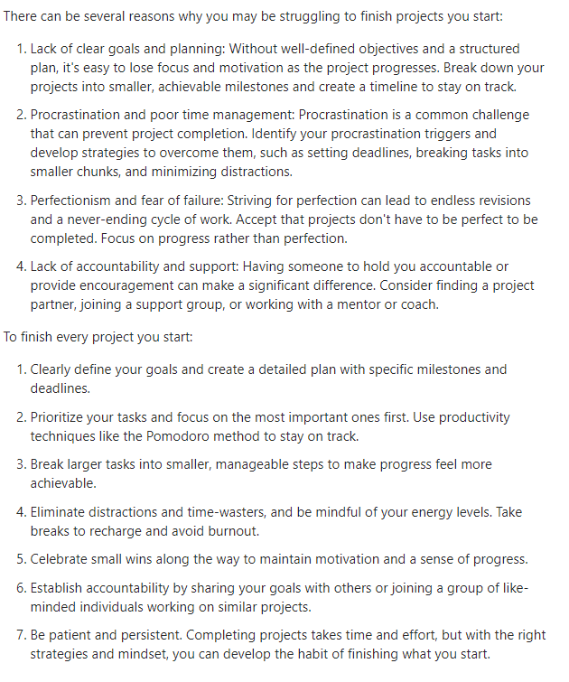
5. To resign from typical rat race work and have my own income.
6. To have passive income or less time consuming income.
7. To have more time for myself and my family.

